Throughput by Time
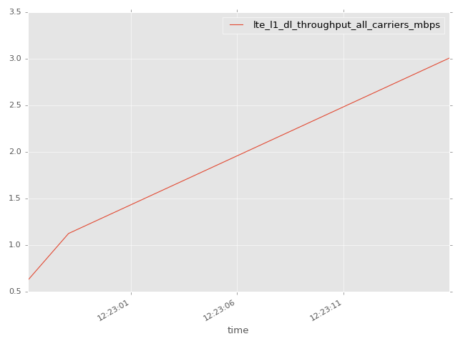
App Throughput by Time Graph | LTE Throughput by Time Graph

lte_l1_dl_throughput_all_carri
lte_l1_dl_throughput_all_carriers Report

Sampling Distribution Histogram
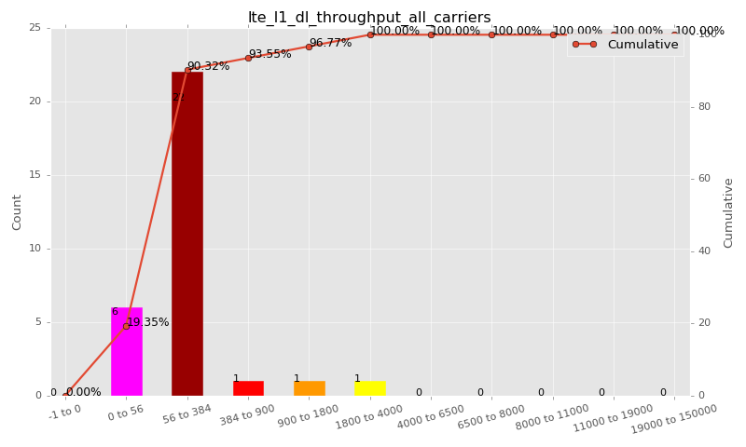

Sampling Distribution Table (first 10 ranges)
ColorXml | Lower | Upper | N Samples | Range | % | Cumulative %
 | -1 | 0 | 0 | -1 to 0 | 0.00 | 0.00
 | 0 | 56 | 6 | 0 to 56 | 19.35 | 19.35
 | 56 | 384 | 22 | 56 to 384 | 70.97 | 90.32
 | 384 | 900 | 1 | 384 to 900 | 3.23 | 93.55
 | 900 | 1800 | 1 | 900 to 1800 | 3.23 | 96.77
 | 1800 | 4000 | 1 | 1800 to 4000 | 3.23 | 100.00
 | 4000 | 6500 | 0 | 4000 to 6500 | 0.00 | 100.00
 | 6500 | 8000 | 0 | 6500 to 8000 | 0.00 | 100.00
 | 8000 | 11000 | 0 | 8000 to 11000 | 0.00 | 100.00
 | 11000 | 19000 | 0 | 11000 to 19000 | 0.00 | 100.00

Basic statistics
N | 31
Mean | 251.41
SD | 554.70
MAX | 3008.00
Median | 95.82
Min | 18.99

Geographical Plot

lte_inst_rsrp_1
lte_inst_rsrp_1 Report

Sampling Distribution Histogram
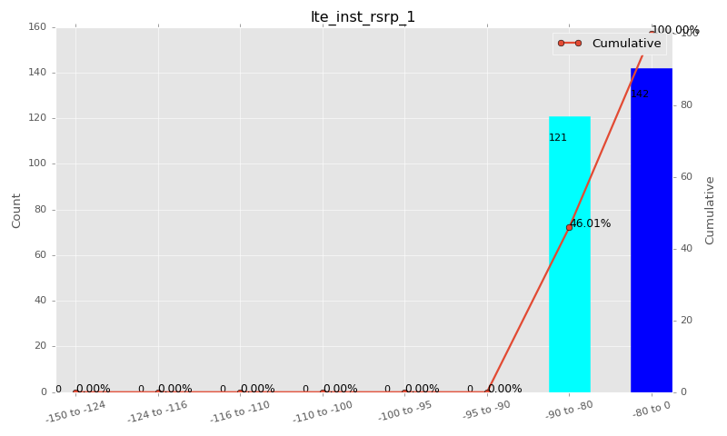

Sampling Distribution Table (first 10 ranges)
ColorXml | Lower | Upper | N Samples | Range | % | Cumulative %
 | -150 | -124 | 0 | -150 to -124 | 0.00 | 0.00
 | -124 | -116 | 0 | -124 to -116 | 0.00 | 0.00
 | -116 | -110 | 0 | -116 to -110 | 0.00 | 0.00
 | -110 | -100 | 0 | -110 to -100 | 0.00 | 0.00
 | -100 | -95 | 0 | -100 to -95 | 0.00 | 0.00
 | -95 | -90 | 0 | -95 to -90 | 0.00 | 0.00
 | -90 | -80 | 121 | -90 to -80 | 46.01 | 46.01
 | -80 | 0 | 142 | -80 to 0 | 53.99 | 100.00

Basic statistics
N | 263
Mean | -79.91
SD | 0.59
MAX | -78.50
Median | -79.98
Min | -81.50

Geographical Plot

lte_inst_rsrq_1
lte_inst_rsrq_1 Report

Sampling Distribution Histogram
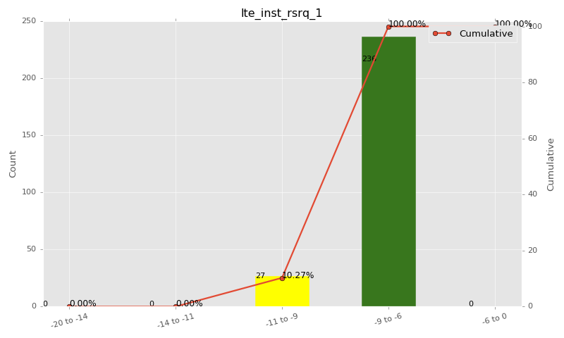

Sampling Distribution Table (first 10 ranges)
ColorXml | Lower | Upper | N Samples | Range | % | Cumulative %
 | -20 | -14 | 0 | -20 to -14 | 0.00 | 0.00
 | -14 | -11 | 0 | -14 to -11 | 0.00 | 0.00
 | -11 | -9 | 27 | -11 to -9 | 10.27 | 10.27
 | -9 | -6 | 236 | -9 to -6 | 89.73 | 100.00
 | -6 | 0 | 0 | -6 to 0 | 0.00 | 100.00

Basic statistics
N | 263
Mean | -7.89
SD | 0.99
MAX | -6.03
Median | -8.00
Min | -10.75

Geographical Plot

lte_inst_rssi_1
lte_inst_rssi_1 Report

Sampling Distribution Histogram
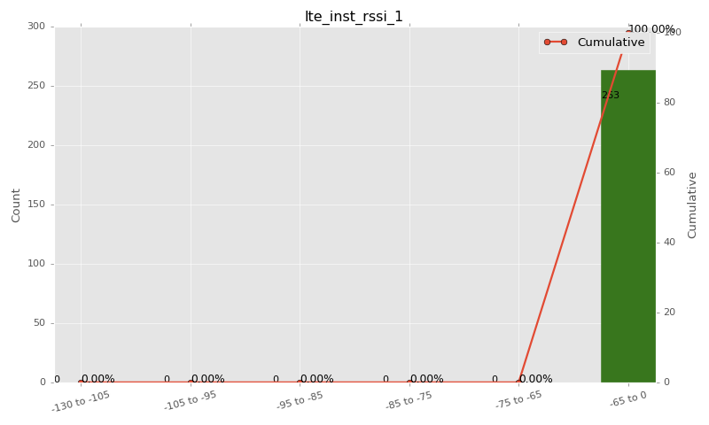

Sampling Distribution Table (first 10 ranges)
ColorXml | Lower | Upper | N Samples | Range | % | Cumulative %
 | -130 | -105 | 0 | -130 to -105 | 0.00 | 0.00
 | -105 | -95 | 0 | -105 to -95 | 0.00 | 0.00
 | -95 | -85 | 0 | -95 to -85 | 0.00 | 0.00
 | -85 | -75 | 0 | -85 to -75 | 0.00 | 0.00
 | -75 | -65 | 0 | -75 to -65 | 0.00 | 0.00
 | -65 | 0 | 263 | -65 to 0 | 100.00 | 100.00

Basic statistics
N | 263
Mean | -54.96
SD | 1.17
MAX | -51.44
Median | -54.88
Min | -57.45

Geographical Plot

lte_sinr_rx0_1
lte_sinr_rx0_1 Report

Sampling Distribution Histogram
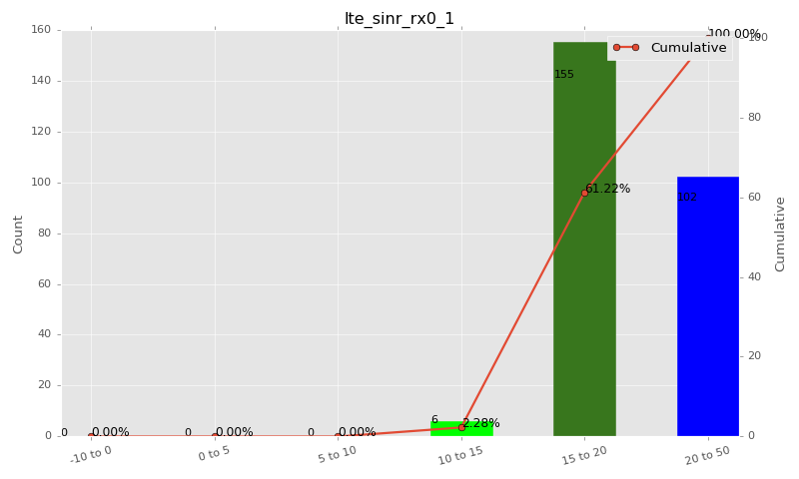

Sampling Distribution Table (first 10 ranges)
ColorXml | Lower | Upper | N Samples | Range | % | Cumulative %
 | -10 | 0 | 0 | -10 to 0 | 0.00 | 0.00
 | 0 | 5 | 0 | 0 to 5 | 0.00 | 0.00
 | 5 | 10 | 0 | 5 to 10 | 0.00 | 0.00
 | 10 | 15 | 6 | 10 to 15 | 2.28 | 2.28
 | 15 | 20 | 155 | 15 to 20 | 58.94 | 61.22
 | 20 | 50 | 102 | 20 to 50 | 38.78 | 100.00

Basic statistics
N | 263
Mean | 19.59
SD | 2.51
MAX | 25.35
Median | 19.20
Min | 12.90

Geographical Plot

lte_sinr_rx1_1
lte_sinr_rx1_1 Report

Sampling Distribution Histogram
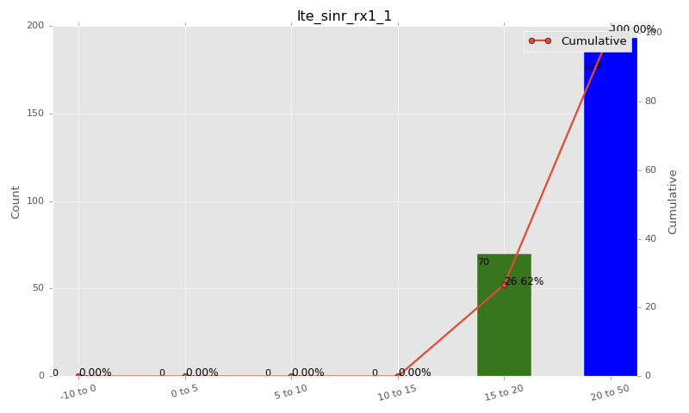

Sampling Distribution Table (first 10 ranges)
ColorXml | Lower | Upper | N Samples | Range | % | Cumulative %
 | -10 | 0 | 0 | -10 to 0 | 0.00 | 0.00
 | 0 | 5 | 0 | 0 to 5 | 0.00 | 0.00
 | 5 | 10 | 0 | 5 to 10 | 0.00 | 0.00
 | 10 | 15 | 0 | 10 to 15 | 0.00 | 0.00
 | 15 | 20 | 70 | 15 to 20 | 26.62 | 26.62
 | 20 | 50 | 193 | 20 to 50 | 73.38 | 100.00

Basic statistics
N | 263
Mean | 21.39
SD | 2.13
MAX | 26.49
Median | 21.10
Min | 15.00

Geographical Plot

lte_physical_cell_id_1
lte_physical_cell_id_1 Report

Sampling Distribution Histogram
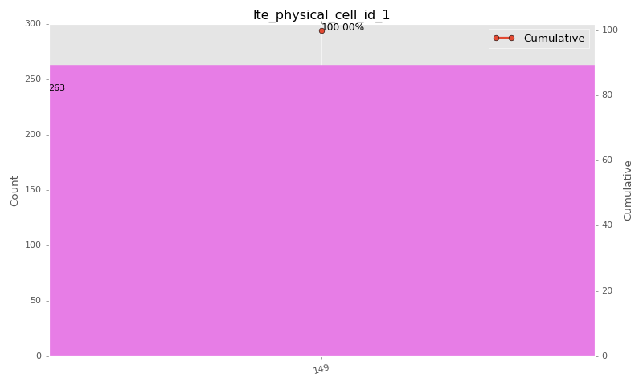

Sampling Distribution Table (first 10 ranges)
ColorXml | Lower | Upper | match_value | N Samples | Range | % | Cumulative %
 |  |  | 149 | 263 |  | 100.00 | 100.00

Basic statistics
N | 263
Mean | N/A (id-type column: lte_physical_cell_id_1)
SD | N/A (id-type column: lte_physical_cell_id_1)
MAX | N/A (id-type column: lte_physical_cell_id_1)
Median | N/A (id-type column: lte_physical_cell_id_1)
Min | N/A (id-type column: lte_physical_cell_id_1)

Geographical Plot

lte_earfcn_1
lte_earfcn_1 Report

Sampling Distribution Histogram
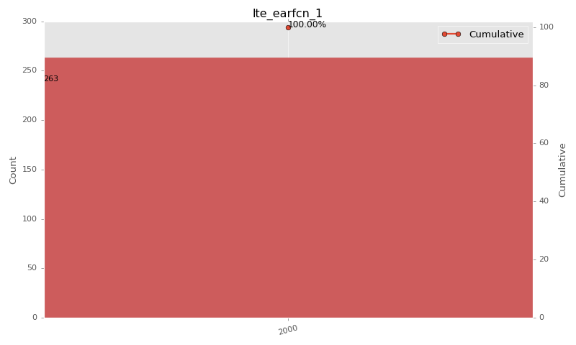

Sampling Distribution Table (first 10 ranges)
ColorXml | Lower | Upper | match_value | N Samples | Range | % | Cumulative %
 |  |  | 2000 | 263 |  | 100.00 | 100.00

Basic statistics
N | 263
Mean | N/A (id-type column: lte_earfcn_1)
SD | N/A (id-type column: lte_earfcn_1)
MAX | N/A (id-type column: lte_earfcn_1)
Median | N/A (id-type column: lte_earfcn_1)
Min | N/A (id-type column: lte_earfcn_1)

Geographical Plot

